1.MOTOR DATA
 | ELİF TOPALOĞLU | 2443984

 | MOTOR DATA |  | CURVES
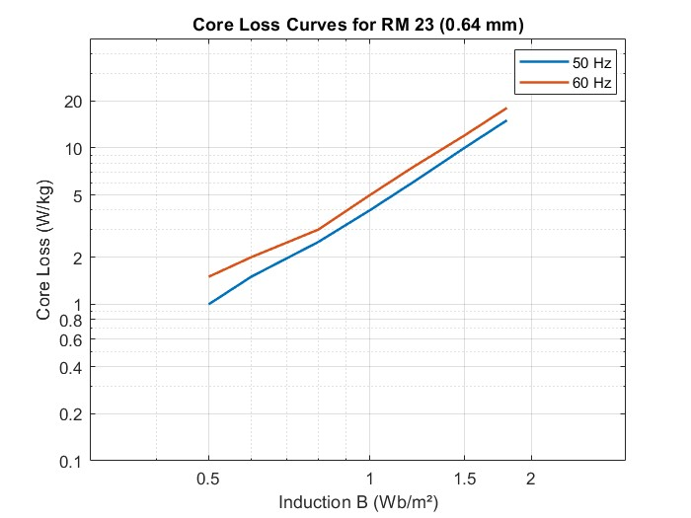
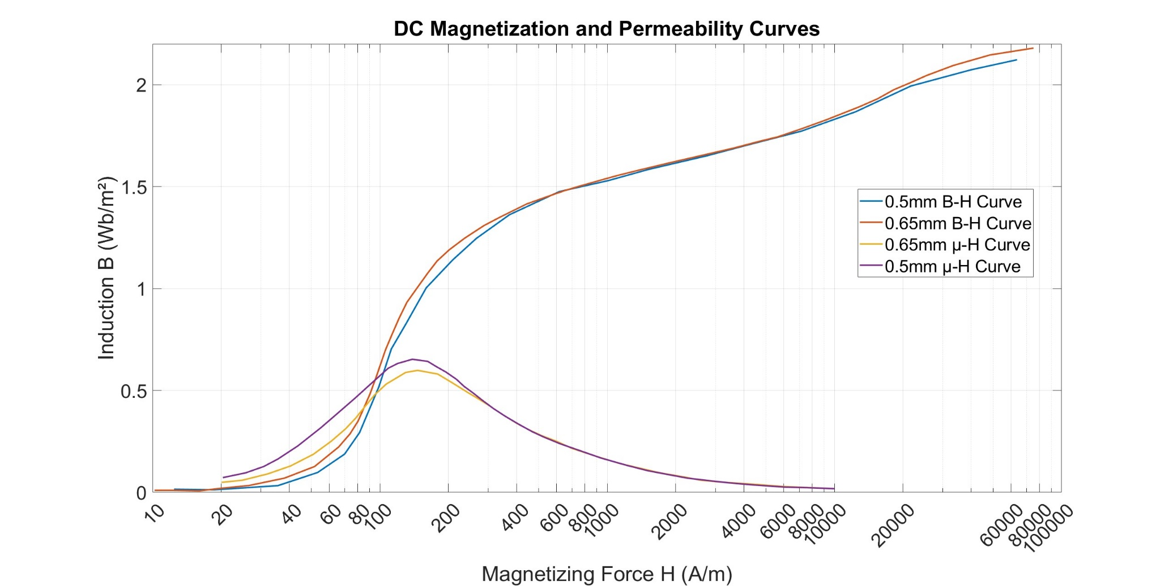
 | Number of phases (q) | 3
 | Frequency (Hz) | 50
 | Number of poles | 2

 | Connection type | Delta
 | Line voltage (V) | 380
 | Power (kW) | 37
 | Synchronous speed (rpm) | 3000

 | Rotor slot | 40
 | Stator slot | 36
 | Conductor per slot | 22
 | Parallel path | 2
 | Coil pitch | 15
 | Wire size (mm^2) | 5.5

 | Frame type | 200/2
 | Lc (mm) | 250
 | Air gap (cm) | 0.75
End Ring | h (mm) | 24.2 | DIMENTIONS
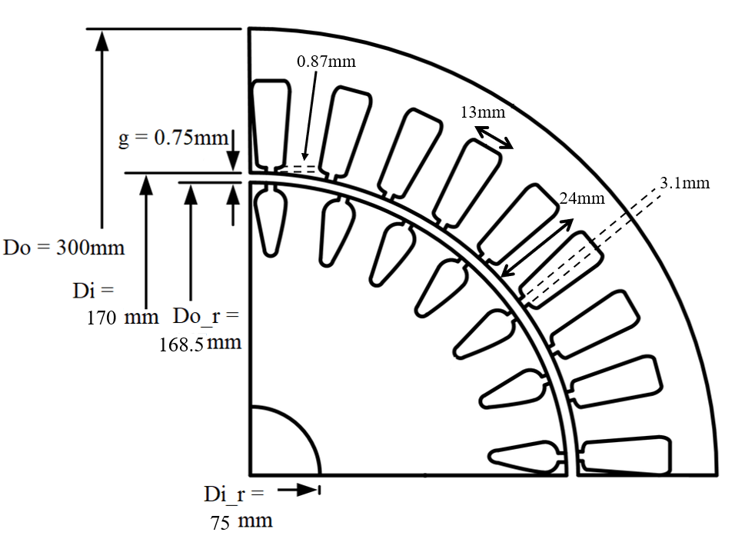
 | Do (mm) | 167
 | di (mm) | 103
 | Inertia (Kgm^2) | 0.13

Stator | Do (mm) | 300
 | Di (mm) | 170
 | Slot width (mm) | 13
 | Slot height (mm) | 24
 | Tip width (mm) | 3.1
 | Tip height (mm) | 0.87

Rotor | Do_r (mm) | 300
 | Di (mm) | 170
 | Slot width (mm) | 13
 | Slot height (mm) | 24

2.TEST DATA
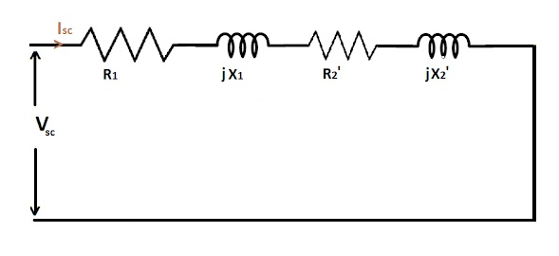
 |  |  | SCHEMATICS
 | TEST DATA

Short Circuit Test | Voltage (V) | 54
 | Current (A) | 70
 | Real Power (P) | 2862
 | Reactive Power (Q) | 5910

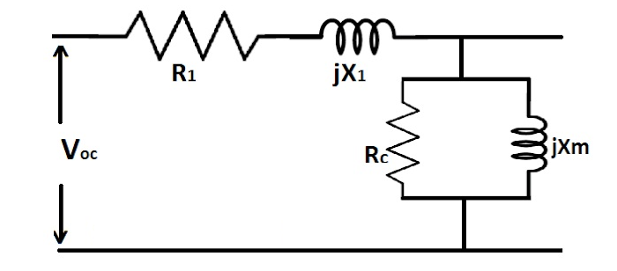

Open Circuit Test | Voltage (V) | 380
 | Current (A) | 17.5
 | Real Power (P) | 2640
 | Reactive Power (Q) | 11300
 | Resistane (Ω) | 0.102

5.PERFORMANCE
 | PERFORMANCE |  |  |  |  |  |  |  |  |  |  | Since parameters calculated from motor data deviates from the parameters calculated from the test data, the performance of the analytical calculations are less than the test results. But still, the results are pretty close.

 | Torque & Speed Characteristic (Test Data) |  |  |  |  |  | Torque & Speed Characteristic (Motor Data)

Input Current vs. Speed (Test Data)
Input Current vs. Speed (Motor Data)
 | Speed (rpm) | Slip | Current I'2 (A) | Torque (Nm) | Power (kW) |  | Speed (rpm) | Slip | Current I'2 (A) | Torque (Nm) | Power (kW)
 | 0 | 1.00 | 75.47 | 26.97 | 0.00 |  | 0 | 1.00 | 78.32 | 34.61 | 0.00
 | 50 | 0.98 | 75.45 | 27.42 | 0.14 |  | 50 | 0.98 | 78.29 | 35.18 | 0.18
 | 100 | 0.97 | 75.43 | 27.88 | 0.29 |  | 100 | 0.97 | 78.27 | 35.76 | 0.37
 | 150 | 0.95 | 75.41 | 28.35 | 0.45 |  | 150 | 0.95 | 78.24 | 36.36 | 0.57 |  | Current Error | 3.78
 | 200 | 0.93 | 75.40 | 28.84 | 0.60 |  | 200 | 0.93 | 78.21 | 36.98 | 0.77 |  | Torque Error | 3.87
 | 250 | 0.92 | 75.38 | 29.35 | 0.77 |  | 250 | 0.92 | 78.18 | 37.63 | 0.99 |  | Power Error | 1.95
 | 300 | 0.90 | 75.35 | 29.88 | 0.94 |  | 300 | 0.90 | 78.15 | 38.29 | 1.20
 | 350 | 0.88 | 75.33 | 30.43 | 1.12 |  | 350 | 0.88 | 78.11 | 38.98 | 1.43
 | 400 | 0.87 | 75.31 | 30.99 | 1.30 |  | 400 | 0.87 | 78.08 | 39.70 | 1.66
 | 450 | 0.85 | 75.29 | 31.58 | 1.49 |  | 450 | 0.85 | 78.04 | 40.44 | 1.91
 | 500 | 0.83 | 75.26 | 32.19 | 1.69 |  | 500 | 0.83 | 78.00 | 41.20 | 2.16
 | 550 | 0.82 | 75.23 | 32.82 | 1.89 |  | 550 | 0.82 | 77.96 | 42.00 | 2.42
 | 600 | 0.80 | 75.20 | 33.48 | 2.10 |  | 600 | 0.80 | 77.92 | 42.83 | 2.69
 | 650 | 0.78 | 75.17 | 34.16 | 2.33 |  | 650 | 0.78 | 77.87 | 43.69 | 2.97
 | 700 | 0.77 | 75.14 | 34.88 | 2.56 |  | 700 | 0.77 | 77.82 | 44.58 | 3.27
 | 750 | 0.75 | 75.11 | 35.62 | 2.80 |  | 750 | 0.75 | 77.77 | 45.51 | 3.57
MAX TORQUE
 | 800 | 0.73 | 75.07 | 36.39 | 3.05 |  | 800 | 0.73 | 77.72 | 46.48 | 3.89
Torque vs. Speed (Test Data)
MAX TORQUE
 | 850 | 0.72 | 75.03 | 37.20 | 3.31 |  | 850 | 0.72 | 77.66 | 47.49 | 4.23
Torque vs. Speed (Motor Data)
 | 900 | 0.70 | 74.99 | 38.05 | 3.59 |  | 900 | 0.70 | 77.59 | 48.54 | 4.57
 | 950 | 0.68 | 74.95 | 38.93 | 3.87 |  | 950 | 0.68 | 77.53 | 49.64 | 4.94
 | 1000 | 0.67 | 74.90 | 39.85 | 4.17 |  | 1000 | 0.67 | 77.46 | 50.78 | 5.32
 | 1050 | 0.65 | 74.85 | 40.82 | 4.49 |  | 1050 | 0.65 | 77.38 | 51.98 | 5.72
 | 1100 | 0.63 | 74.80 | 41.83 | 4.82 |  | 1100 | 0.63 | 77.30 | 53.24 | 6.13
 | 1150 | 0.62 | 74.74 | 42.90 | 5.17 |  | 1150 | 0.62 | 77.21 | 54.55 | 6.57
 | 1200 | 0.60 | 74.68 | 44.02 | 5.53 |  | 1200 | 0.60 | 77.11 | 55.93 | 7.03
 | 1250 | 0.58 | 74.61 | 45.19 | 5.92 |  | 1250 | 0.58 | 77.01 | 57.37 | 7.51
 | 1300 | 0.57 | 74.54 | 46.43 | 6.32 |  | 1300 | 0.57 | 76.90 | 58.89 | 8.02
 | 1350 | 0.55 | 74.46 | 47.74 | 6.75 |  | 1350 | 0.55 | 76.78 | 60.48 | 8.55
 | 1400 | 0.53 | 74.37 | 49.11 | 7.20 |  | 1400 | 0.53 | 76.65 | 62.16 | 9.11
 | 1450 | 0.52 | 74.28 | 50.57 | 7.68 |  | 1450 | 0.52 | 76.51 | 63.93 | 9.71
 | 1500 | 0.50 | 74.18 | 52.11 | 8.19 |  | 1500 | 0.50 | 76.35 | 65.79 | 10.33
 | 1550 | 0.48 | 74.06 | 53.75 | 8.72 |  | 1550 | 0.48 | 76.18 | 67.76 | 11.00
 | 1600 | 0.47 | 73.94 | 55.48 | 9.30 |  | 1600 | 0.47 | 76.00 | 69.84 | 11.70
 | 1650 | 0.45 | 73.80 | 57.32 | 9.90 |  | 1650 | 0.45 | 75.79 | 72.03 | 12.45
 | 1700 | 0.43 | 73.65 | 59.29 | 10.55 |  | 1700 | 0.43 | 75.56 | 74.36 | 13.24
Power vs. Speed (Test Data)
 | 1750 | 0.42 | 73.49 | 61.38 | 11.25 |  | 1750 | 0.42 | 75.31 | 76.82 | 14.08
 | 1800 | 0.40 | 73.30 | 63.61 | 11.99 |  | 1800 | 0.40 | 75.04 | 79.43 | 14.97
Power vs. Speed (Motor Data)
 | 1850 | 0.38 | 73.09 | 66.00 | 12.79 |  | 1850 | 0.38 | 74.73 | 82.20 | 15.92
 | 1900 | 0.37 | 72.86 | 68.56 | 13.64 |  | 1900 | 0.37 | 74.38 | 85.14 | 16.94
 | 1950 | 0.35 | 72.60 | 71.31 | 14.56 |  | 1950 | 0.35 | 73.99 | 88.26 | 18.02
 | 2000 | 0.33 | 72.30 | 74.26 | 15.55 |  | 2000 | 0.33 | 73.54 | 91.57 | 19.18
 | 2050 | 0.32 | 71.96 | 77.43 | 16.62 |  | 2050 | 0.32 | 73.04 | 95.08 | 20.41
 | 2100 | 0.30 | 71.56 | 80.84 | 17.78 |  | 2100 | 0.30 | 72.47 | 98.79 | 21.73
 | 2150 | 0.28 | 71.11 | 84.52 | 19.03 |  | 2150 | 0.28 | 71.81 | 102.71 | 23.13
 | 2200 | 0.27 | 70.58 | 88.47 | 20.38 |  | 2200 | 0.27 | 71.06 | 106.84 | 24.61
 | 2250 | 0.25 | 69.96 | 92.72 | 21.85 |  | 2250 | 0.25 | 70.18 | 111.16 | 26.19
 | 2300 | 0.23 | 69.23 | 97.28 | 23.43 |  | 2300 | 0.23 | 69.15 | 115.64 | 27.85
 | 2350 | 0.22 | 68.36 | 102.15 | 25.14 |  | 2350 | 0.22 | 67.94 | 120.22 | 29.58
 | 2400 | 0.20 | 67.32 | 107.30 | 26.97 |  | 2400 | 0.20 | 66.51 | 124.80 | 31.37
 | 2450 | 0.18 | 66.05 | 112.68 | 28.91 |  | 2450 | 0.18 | 64.80 | 129.25 | 33.16
 | 2500 | 0.17 | 64.49 | 118.17 | 30.94 |  | 2500 | 0.17 | 62.75 | 133.34 | 34.91
 | 2550 | 0.15 | 62.56 | 123.55 | 32.99 |  | 2550 | 0.15 | 60.28 | 136.71 | 36.51
 | 2600 | 0.13 | 60.14 | 128.44 | 34.97 |  | 2600 | 0.13 | 57.28 | 138.87 | 37.81
 | 2650 | 0.12 | 57.08 | 132.23 | 36.70 |  | 2650 | 0.12 | 53.62 | 139.09 | 38.60
 | 2700 | 0.10 | 53.17 | 133.90 | 37.86 |  | 2700 | 0.10 | 49.16 | 136.40 | 38.57
 | 2750 | 0.08 | 48.18 | 131.94 | 38.00 |  | 2750 | 0.08 | 43.74 | 129.57 | 37.31
 | 2800 | 0.07 | 41.82 | 124.23 | 36.43 |  | 2800 | 0.07 | 37.21 | 117.20 | 34.36
 | 2850 | 0.05 | 33.80 | 108.23 | 32.30 |  | 2850 | 0.05 | 29.47 | 97.99 | 29.25
 | 2900 | 0.03 | 23.99 | 81.78 | 24.84 |  | 2900 | 0.03 | 20.53 | 71.33 | 21.66
 | 2950 | 0.02 | 12.53 | 44.62 | 13.79 |  | 2950 | 0.02 | 10.58 | 37.87 | 11.70
Synchronous speed | 3000 | 0.00 | 0.00 | 0.00 | 0.00 | Synchronous speed | 3000 | 0.00 | 0.00 | 0.00 | 0.00

